Indices

 | Iraq Stock Exchange
 | Bulletin No (88)
 | ISX Trading Indices of Tuesday 19/5/2026

 | Traded Volume and OTC |  | 27,095,284,778 |  | Traded Value and OTC |  | 30,303,363,094 |  | Traders | 1056

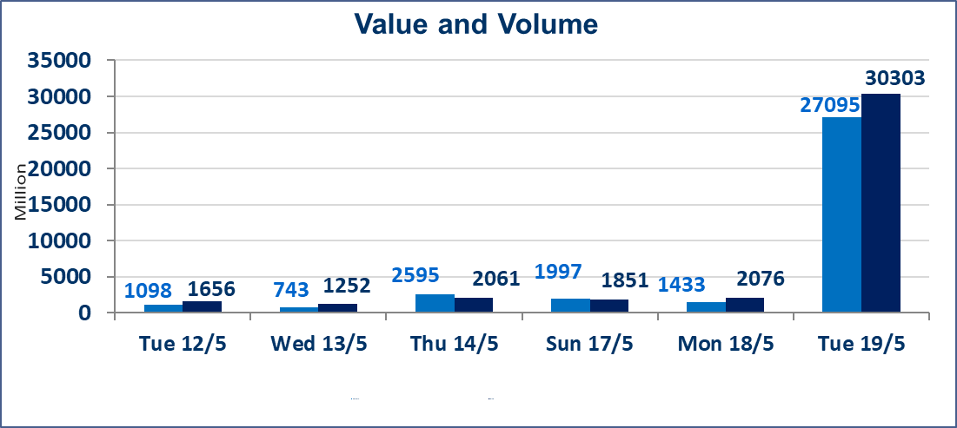
 | ISX Index 60 |  |  | 945.27 | ISX Index 15 |  |  | 1242.82
 | Previous ISX Index60 |  |  | 945.70 | Previous ISX Index15 |  |  | 1242.56
 | Change % |  |  | -0.05 | Change % |  |  | 0.02
 | Change |  |  | -0.43 | Change |  |  | 0.26

 | Listed Companies | 104 | OTC | 14 | Non Traded listed | 42 | OTC | 13
 | Traded Listed Companies | 48 | OTC | 1 | Higher Companies |  |  | 7
 | GAM Companies |  |  | 6 | Lower Companies |  |  | 18
 | Suspended Companies |  |  | 8
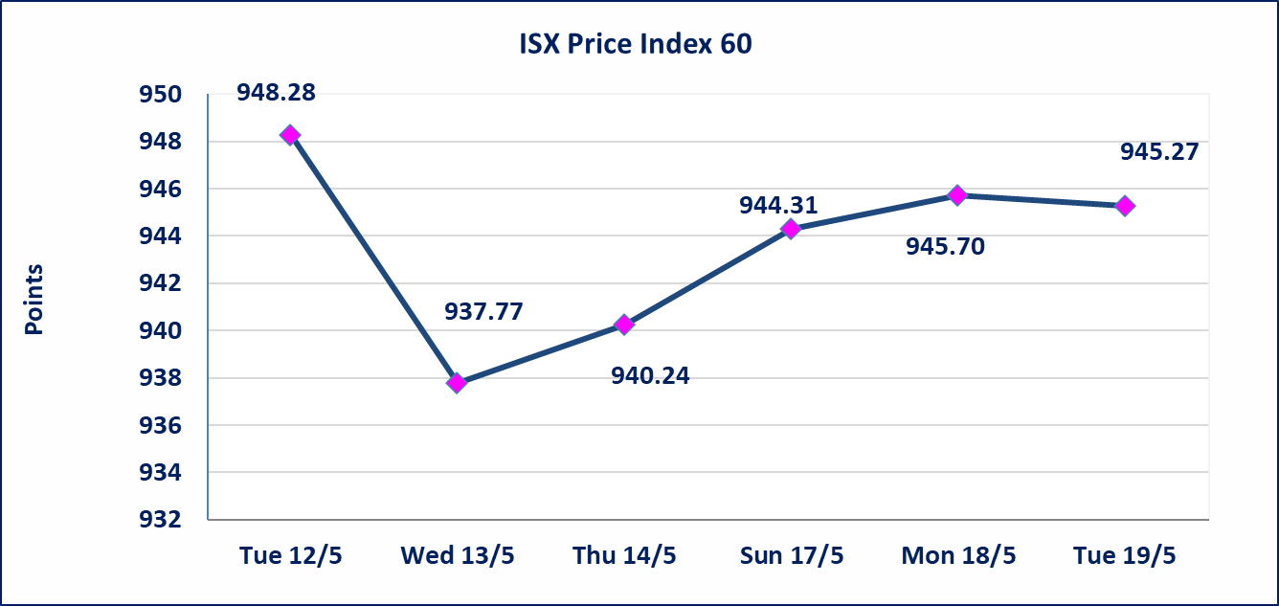
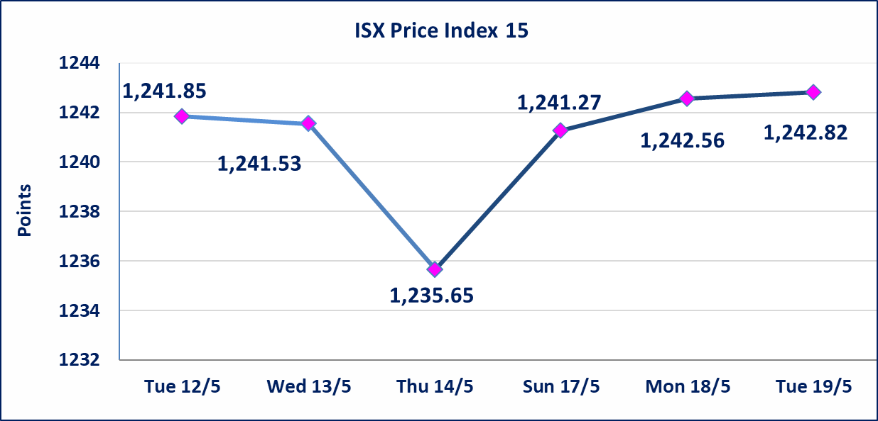

 | special orders | Al-Karmel Brokerage Company executed a deliberate cross order on shares of Bank of Baghdad Company, with a number of shares (1,400,000,000) shares valued at (3,808,000,000) dinars, during the additional session time (after 1 pm) in accordance with the procedures for executing large transactions.
 | special orders | Elaf Brokerage Company executed a deliberate cross order on the shares of Al Qurtas Bank Company with a number of shares (24,750,000,000) shares with a value of (24,750,000,000) dinars, during the additional session time (after 1 pm) in accordance with the procedures for executing large transactions.
Al-Alwiya P.O . 3607 Mobile: 07711211522 - 07270094594 - 07834000034 E-mail: info-isx@isx-iq.net Web site:www.isx-iq.net

Top 5
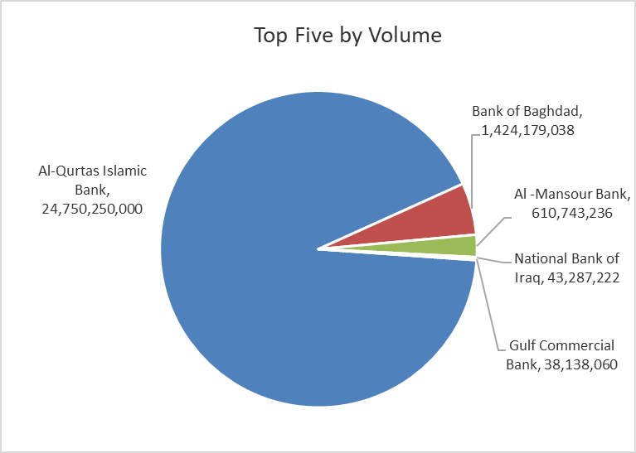
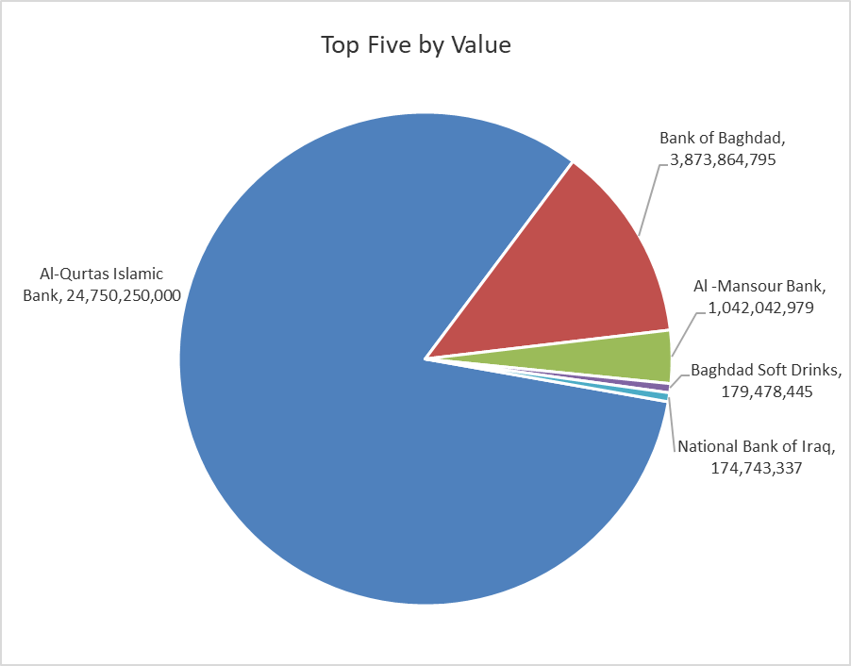

ISX top ganing and losing companies
Tuesday 19/5/2026
 | Gainers |  |  |  | Losers
 | Company Name | Closing Price | Change (%) | Traded Volume | Company Name | Closing Price | Change (%) | Traded Volume
 | Al-Hamraa for Insurance | 4.500 | 4.65 | 10,000 | Middle East Bank | 0.090 | -10.00 | 727,469
 | Mansour Hotel | 53.000 | 3.92 | 484,607 | Rehab Karbalaa | 0.600 | -4.76 | 282,830
 | Mamoura Realestate | 3.240 | 2.53 | 2,318,738 | AL-Badia for General Trans | 1.470 | -4.55 | 105,533
 | Al-Khatam Telecom | 3.840 | 2.40 | 339,942 | Kharkh Tour Amuzement City | 4.450 | -3.05 | 3,001,082
 | Fallujah for construction Materials | 2.850 | 1.42 | 1,911,274 | Gulf Commercial Bank | 0.360 | -2.70 | 38,138,060
 | The most active companies in term of traded volume and value

 | Traded Volume |  |  |  | Traded Value
 | Company Name | Closing Price | Change (%) | Traded Volume | Company Name | Closing Price | Change (%) | Traded Value
 | Al-Qurtas Islamic Bank | 1.000 | 0.00 | 24,750,250,000 | Al-Qurtas Islamic Bank | 1.000 | 0.00 | 24,750,250,000
 | Bank of Baghdad | 2.720 | 0.00 | 1,424,179,038 | Bank of Baghdad | 2.720 | 0.00 | 3,873,864,795
 | Al -Mansour Bank | 1.710 | -0.58 | 610,743,236 | Al -Mansour Bank | 1.710 | -0.58 | 1,042,042,979
 | National Bank of Iraq | 3.990 | -0.25 | 43,287,222 | Baghdad Soft Drinks | 6.230 | 0.48 | 179,478,445
 | Gulf Commercial Bank | 0.360 | -2.70 | 38,138,060 | National Bank of Iraq | 3.990 | -0.25 | 174,743,337

Non Iraqis

Iraq Stock Exchange
Non Iraqis' Bulletin Tuesday May 19 2026
Regular Market

Non Iraqi Trading of Regular Market (Buy)
Company Names | Code | No.of trades | Traded Shares | Trading Volume
Banks Sector
Iraqi Middle East Investment Bank | BIME | 3 | 206,245 | 18,562
Al-Mansour Bank | BMNS | 3 | 460,465 | 792,000
Total Bank sector |  | 6 | 666,710 | 810,562
Hotel Sector
Mansour Hotel | HMAN | 3 | 483,861 | 24,676,911
Total Hotel Sector |  | 3 | 483,861 | 24,676,911
Grand Total |  | 9 | 1,150,571 | 25,487,473

Non Iraqi Trading of Regular Market (Sell)
Company Names | Code | No.of trades | Traded Shares | Trading Volume
Banks Sector
National Bank Of Iraq | BNOI | 14 | 11,000,000 | 44,139,000
Al-Mansour Bank | BMNS | 45 | 225,000,000 | 382,500,000
Total Bank sector |  | 59 | 236,000,000 | 426,639,000
Grand Total |  | 59 | 236,000,000 | 426,639,000

Not Trading Bonds

Iraq Stock Exchange
Tuesday 19/5/2026
Not Trading Bonds Bulletin
Bond type | Publish type | Code | last trading price | immortilize date
Banaa Bonds /Million ID | Second | CB20 | 964,981 | 19/12/2025
Eamar Bonds /Million ID | First | CB30 | 1,001,095 | ــــــــــــــــ
Eamar Bonds /Million ID | Second | CB40 | ــــــــــــــــ | ــــــــــــــــ
Eamar Bonds /500 Thousand ID | Third | CB45 | ــــــــــــــــ | ــــــــــــــــ
Eamar Bonds /Million ID | Third | CB50 | ــــــــــــــــ | ــــــــــــــــ
Injaz Bonds /500 Thousand ID | First | CB55 | ــــــــــــــــ | ــــــــــــــــ
Injaz Bonds /Million ID | First | CB60 | 951,110 | ــــــــــــــــ
Injaz Bonds /500 Thousand ID | Second | CB65 | 507,301 | ــــــــــــــــ
Injaz Bonds /Million ID | Second | CB70 | 965,050 | ــــــــــــــــ
Injaz Bonds /500 Thousand ID | Third | CB75 | ــــــــــــــــ | ــــــــــــــــ
Injaz Bonds /Million ID | Third | CB80 | 978,182 | ــــــــــــــــ
National Bonds/Million ID | First | CB90 | ــــــــــــــــ | ــــــــــــــــ
National Bonds/500 Thousand ID | Second | CB95 | ــــــــــــــــ | ــــــــــــــــ
National Bonds/Million ID | Second | CB100 | ــــــــــــــــ | ــــــــــــــــ

